ERP
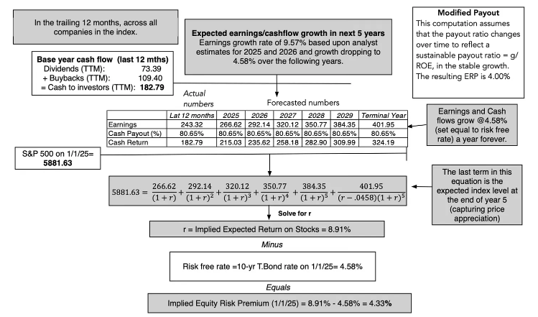
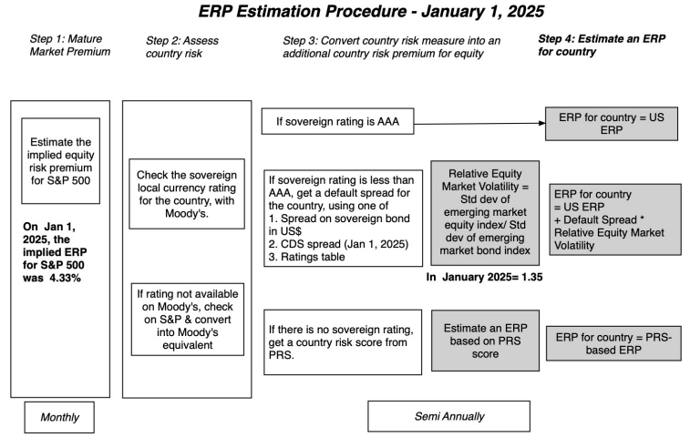
Step 1: US (Mature Market Premium) | 4.33% | as on Jan 1, 2025
Step 2: Add India default spread | 2.18% | Based on Baa3 rating for India; Emerging market (EM) countries are riskier than mature markets
Step 3: Adjust for Equity Volatility | 1.35 | EM Equity SD/ EM Country Bond SD
Adjusted India default spread | 2.94% | Scale up base India default spread
India ERP | 7.27% | Add India default spread to US ERP

Revenue by Geography: |  | Revenue % | ERP
India | 127755 | 29% | 7.27%
US | 67496 | 15% | 4.33%
UK | 55009 | 13% | 5.13%
Rest of Europe | 55528 | 13% | 5.45%
China | 57184 | 13% | 5.27%
Rest of the world | 74956 | 17% | 7.27%
Total | 437928 | 100% | 6.06%

SD for India Equity | 23%
SD for India Bond | 17% | 1.35

Backups
